Change in Rev
Hospital Name: Laguna Honda Hospital and Rehabilitation Center
OSHPD Facility No: 106380865
Estimate of Change in Gross Revenues

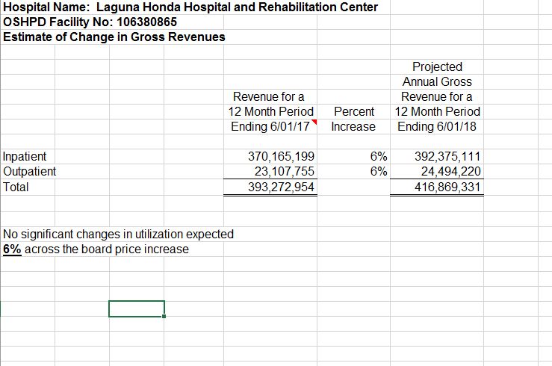
 |  |  | Projected
 | Annual Gross |  | Annual Gross
 | Revenue for a |  | Revenue for a
 | 12 Month Period | Percent | 12 Month Period
 | Ending 6/01/18 | Increase | Ending 6/01/19

Inpatient | 424,072,236 | 6% | 449,516,570
Outpatient | 28,212,283 | 6% | 29,905,020
Total | 452,284,519 |  | 479,421,590

No significant changes in utilization expected
6% across the board price increase

